Context
 | Task:
1 | Using the data provided in the next sheet perform an analysis to understand any major issues which may be affecting user experience.
2 | Present your findings in the form of a Power Point deck.
3 | Please feel free to make any assumptions necessary and call these out.

 | Context:
1 | The business being analyzed is an ecommerce website where users can browse products and buy them online after registering on the site.
2 | Recently, a "Guest Checkout" feature has been introduced which allows users to buy products without registering.
3 | The web site is set up as 2 separate experiences for Desktop and Tablet devices.
4 | Data has been provided for 12 months, including the first 4 month period before "Guest Checkout" was introduced.

 | Objective:
1 | To understand the impact of this change on KPIs for the site.
2 | Identify any issues which may be hampering the user journey.
3 | Analyze how this change has affected users across different device types
4 | Call out any other areas which may be analyzed further to get a clearer understand

 | Journey details:
1 | The checkout flow comprises of following steps:
 |  | Login Page
 |  | Details page
 |  | Payment page
 |  | Order review page
 |  | Order confirm page
2 | The journey is same for Guest and Registered users (except Guest users just skip the login proccess).
3 | This experience is identically provided on Desktop and Tablet sites.
4 | The screenshots below demonstrate how some of the pages of the Checkout flow look like.

 | LOGIN PAGE

 | DELIVERY PAGE
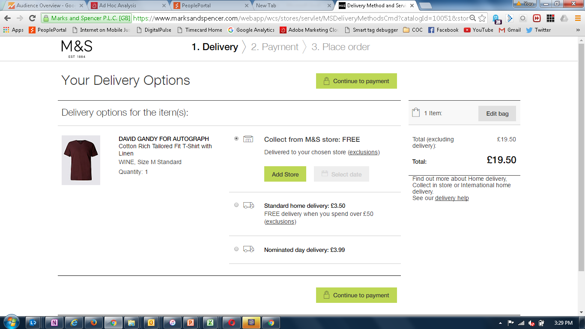

 | PAYMENT PAGE
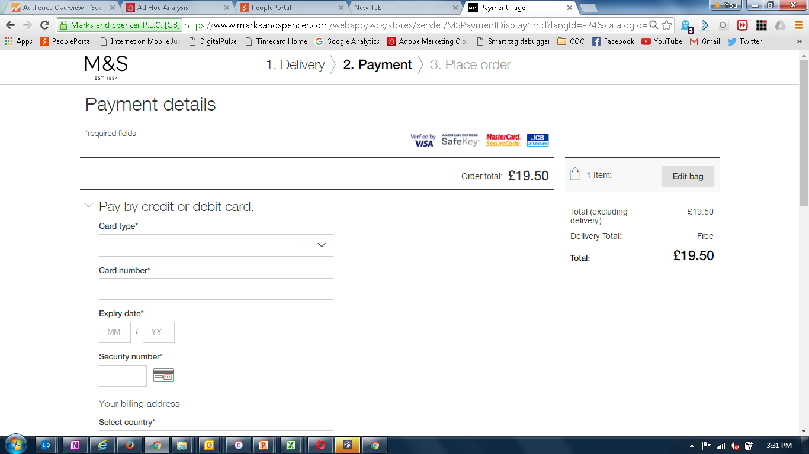

 | (screen shots not available for steps 4 and 5)

